BRANDED BACKPACKS
 |  |  | Total €
 |  |  | Total #
SCROLL UP TO THE TOP OF THIS SHEET TO SEE ALL THE ARTICLES
ARTICLE # | ARTICLE DESCRIPTION | COLOR DESCRIPTION | PICTURE | RRP | AVAILABILITY (UN)
EDYBP03129-BSAO | DC SHOES BACKSTACK BACKPACK | WASHED INDIGO | 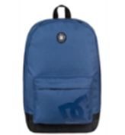 | 37.99 € | 453
YOUR ORDER (fill in the orange cells on the right) ►►►►►►►►►►►►►
ARTICLE # | ARTICLE DESCRIPTION | COLOR DESCRIPTION | PICTURE | RRP | AVAILABILITY (UN)
EDYBP03129-KVJ0 | DC SHOES BACKSTACK BACKPACK | BLACK | 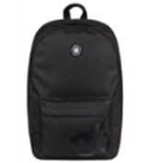 | 37.99 € | 894
YOUR ORDER (fill in the orange cells on the right) ►►►►►►►►►►►►►
ARTICLE # | ARTICLE DESCRIPTION | COLOR DESCRIPTION | PICTURE | RRP | AVAILABILITY (UN)
EDYBP03130-BSA0 | DC SHOES BACKSTACK BACKPACK | BLUE/ GREY | 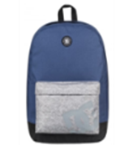 | 37.99 € | 973
YOUR ORDER (fill in the orange cells on the right) ►►►►►►►►►►►►►
ARTICLE # | ARTICLE DESCRIPTION | COLOR DESCRIPTION | PICTURE | RRP | AVAILABILITY (UN)
EDYBP03130-BYJ0 | DC SHOES BACKSTACK BACKPACK | DARK INDIGO | 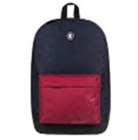 | 37.99 € | 450
YOUR ORDER (fill in the orange cells on the right) ►►►►►►►►►►►►►
ARTICLE # | ARTICLE DESCRIPTION | COLOR DESCRIPTION | PICTURE | RRP | AVAILABILITY (UN)
EQYBP03406-KVJ9 | QUIKSILVER EVERYDAY POSTER M BACKPACK | BLACK HEAT WAVE | 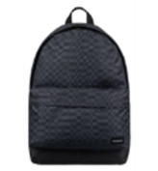 | 35.99 € | 117
YOUR ORDER (fill in the orange cells on the right) ►►►►►►►►►►►►►
ARTICLE # | ARTICLE DESCRIPTION | COLOR DESCRIPTION | PICTURE | RRP | AVAILABILITY (UN)
EQYBP03406-WBB7 | QUIKSILVER EVERYDAY POSTER M BACKPACK | BREAK THE CYCLE | 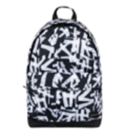 | 35.99 € | 189
YOUR ORDER (fill in the orange cells on the right) ►►►►►►►►►►►►►
ARTICLE # | ARTICLE DESCRIPTION | COLOR DESCRIPTION | PICTURE | RRP | AVAILABILITY (UN)
EQYBP03277-KTA7 | QUIKSILVER EVERYDAY POSTER M BACKPACK | MEADOWBROOKS | 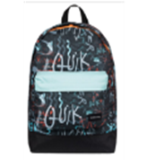 | 35.99 € | 271
YOUR ORDER (fill in the orange cells on the right) ►►►►►►►►►►►►►
ARTICLE # | ARTICLE DESCRIPTION | COLOR DESCRIPTION | PICTURE | RRP | AVAILABILITY (UN)
EQYBP03406-RZG0 | QUIKSILVER EVERYDAY POSTER M BACKPACK | POMEGRANATE | 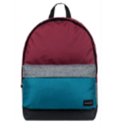 | 35.99 € | 650
YOUR ORDER (fill in the orange cells on the right) ►►►►►►►►►►►►►
ARTICLE # | ARTICLE DESCRIPTION | COLOR DESCRIPTION | PICTURE | RRP | AVAILABILITY (UN)
EQYBP03406-BQS6 | QUIKSILVER EVERYDAY POSTER M BACKPACK | TURKISH SEA RESIN CHECK | 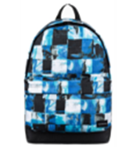 | 35.99 € | 312
YOUR ORDER (fill in the orange cells on the right) ►►►►►►►►►►►►►
ARTICLE # | ARTICLE DESCRIPTION | COLOR DESCRIPTION | PICTURE | RRP | AVAILABILITY (UN)
EQYBP03406-BSG9 | QUIKSILVER EVERYDAY POSTER M BACKPACK | MOROCCAN SLASH | 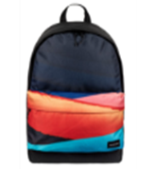 | 35.99 € | 32
YOUR ORDER (fill in the orange cells on the right) ►►►►►►►►►►►►►
ARTICLE # | ARTICLE DESCRIPTION | COLOR DESCRIPTION | PICTURE | RRP | AVAILABILITY (UN)
ERJBP03543-NDS7 | ROXY SUGAR J BACKPACK | PALE DOGWOOD | 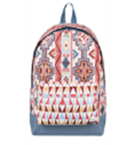 | 35.99 € | 737
YOUR ORDER (fill in the orange cells on the right) ►►►►►►►►►►►►►
ARTICLE # | ARTICLE DESCRIPTION | COLOR DESCRIPTION | PICTURE | RRP | AVAILABILITY (UN)
ERJBP03543-XMBB | ROXY SUGAR J BACKPACK | DRESS BLUE | 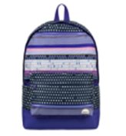 | 35.99 € | 560
YOUR ORDER (fill in the orange cells on the right) ►►►►►►►►►►►►►
ARTICLE # | ARTICLE DESCRIPTION | COLOR DESCRIPTION | PICTURE | RRP | AVAILABILITY (UN)
ERJBP03538-NDS7 | ROXY BE YOUNG 24L MEDIUM BACKPACK | PALE DOGWOOD PASADENA BLA | 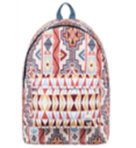 | 35.99 € | 743
YOUR ORDER (fill in the orange cells on the right) ►►►►►►►►►►►►►
ARTICLE # | ARTICLE DESCRIPTION | COLOR DESCRIPTION | PICTURE | RRP | AVAILABILITY (UN)
ERJBP03538-KVJ6 | ROXY BE YOUNG 24L MEDIUM BACKPACK | ANTHRACITE SWIM BELHARRA | 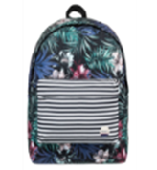 | 35.99 € | 28
YOUR ORDER (fill in the orange cells on the right) ►►►►►►►►►►►►►
ARTICLE # | ARTICLE DESCRIPTION | COLOR DESCRIPTION | PICTURE | RRP | AVAILABILITY (UN)
ERJBP03543-KVJ1 | ROXY SUGAR BABY 16L MEDIUM BACKPACK | ANTHRACITE URBAN FLAVOR | 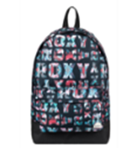 | 35.99 € | 654
YOUR ORDER (fill in the orange cells on the right) ►►►►►►►►►►►►►
ARTICLE # | ARTICLE DESCRIPTION | COLOR DESCRIPTION | PICTURE | RRP | AVAILABILITY (UN)
ERJBP03543-NDS7 | ROXY SUGAR BABY 16L MEDIUM BACKPACK | PALE DOGWOOD PASADENA | 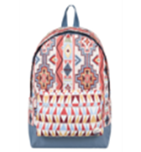 | 35.99 € | 119
YOUR ORDER (fill in the orange cells on the right) ►►►►►►►►►►►►►
ARTICLE # | ARTICLE DESCRIPTION | COLOR DESCRIPTION | PICTURE | RRP | AVAILABILITY (UN)
ERJBP03543-XMBB | ROXY SUGAR BABY 16L MEDIUM BACKPACK | DRESS BLUE SMALL WINTERS | 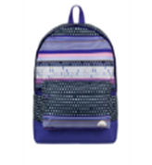 | 35.99 € | 750
YOUR ORDER (fill in the orange cells on the right) ►►►►►►►►►►►►►
ARTICLE # | ARTICLE DESCRIPTION | COLOR DESCRIPTION | PICTURE | RRP | AVAILABILITY (UN)
ERJBP03728-BTE6 | ROXY SUGAR BABY 16L MEDIUM BACKPACK | MEDIEVAL BLUE BOARDWALK |  | 35.99 € | 782
YOUR ORDER (fill in the orange cells on the right) ►►►►►►►►►►►►►
ARTICLE # | ARTICLE DESCRIPTION | COLOR DESCRIPTION | PICTURE | RRP | AVAILABILITY (UN)
ERJBP03728-KPG6 | ROXY SUGAR BABY 16L MEDIUM BACKPACK | CHARCOAL HEATHER FLOWER FIELD | 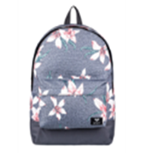 | 35.99 € | 628
YOUR ORDER (fill in the orange cells on the right) ►►►►►►►►►►►►►

